Sheet1
https://en.wikipedia.org/wiki/List_of_counties_in_Utah

Counties[edit]

County | FIPS code[7] | County seat[2][13] | Est.[2][13] | Origin[2] | Etymology[14][15] | Population[16] | Area[17] | Map
Beaver County | 1 | Beaver | January 5, 1856 | Part of Iron County[18] | The many beavers in the area | 6,710 | 2,590 sq mi | 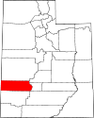
 |  |  |  |  |  |  | (6,708 km2)
Box Elder County | 3 | Brigham City | January 5, 1856 | Part of Weber County | The many Box Elder trees in the area | 56,046 | 5,746 sq mi | 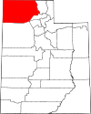

 |  |  |  |  |  |  | (14,882 km2)
Cache County | 5 | Logan | January 5, 1857 | Part of Weber County[18] | Caches of furs made by Rocky Mountain Fur Company trappers | 128,289 | 1,165 sq mi | 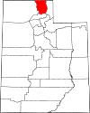

 |  |  |  |  |  |  | (3,017 km2)
Carbon County | 7 | Price | March 8, 1894 | Part of Emery County | The vast coal beds in the county.[19] | 20,463 | 1,478 sq mi | 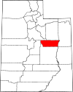

 |  |  |  |  |  |  | (3,828 km2)
Daggett County | 9 | Manila | January 7, 1918 | Part of Summit and Uintah counties | Ellsworth Daggett (1810–1880), the first Utah Surveyor General | 950 | 697 sq mi | 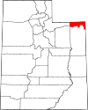

 |  |  |  |  |  |  | (1,805 km2)
Davis County | 11 | Farmington | October 5, 1850 | Part of Deseret Great Salt Lake and Weber counties | Daniel C. Davis (1804–1850), Mormon Battalion captain | 355,481 | 299 sq mi | 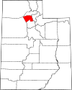

 |  |  |  |  |  |  | (774 km2)
Duchesne County | 13 | Duchesne | January 4, 1915 | Part of Wasatch County | Uncertain; likely origins are a Ute word translated "dark canyon", the French and Indian War site of Fort Duquesne (the county's initial settlement was also a fortress), the corrupted name of an area Indian chief, or the name of French fur trapper and explorer. | 19,938 | 3,241 sq mi | 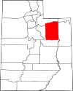

 |  |  |  |  |  |  | (8,394 km2)
Emery County | 15 | Castle Dale | February 12, 1880 | Part of Sanpete County[20] | George W. Emery (1830–1909), Governor of the Utah Territory from 1875–1880 | 10,012 | 4,462 sq mi | 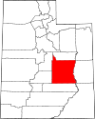

 |  |  |  |  |  |  | (11,557 km2)
Garfield County | 17 | Panguitch | March 9, 1882 | Part of Iron County | James A. Garfield (1831–1881), President of the United States in 1881 | 5,051 | 5,175 sq mi | 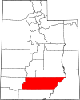

 |  |  |  |  |  |  | (13,403 km2)
Grand County | 19 | Moab | March 13, 1890 | Part of Emery County | The Grand River, since renamed to the Colorado River | 9,754 | 3,672 sq mi | 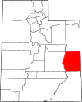

 |  |  |  |  |  |  | (9,510 km2)
Iron County | 21 | Parowan | January 31, 1850 | Original county of State of Deseret | Iron mines west of Cedar City.[21] | 54,839 | 3,297 sq mi | 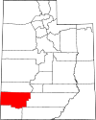

 |  |  |  |  |  |  | (8,539 km2)
Juab County | 23 | Nephi | March 3, 1852 | Original county of Territory of Utah | A Native American word translated "thirsty valley" | 12,017 | 3,392 sq mi | 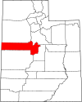

 |  |  |  |  |  |  | (8,785 km2)
Kane County | 25 | Kanab | January 16, 1864 | Part of Washington County | Thomas L. Kane (1822–1883), U.S. Army officer who spoke in favor of the Mormon migration and settlement of Utah | 7,886 | 3,990 sq mi | 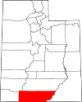

 |  |  |  |  |  |  | (10,334 km2)
Millard County | 27 | Fillmore | October 4, 1851 | Original county of Territory of Utah | Millard Fillmore (1800–1874), President of the United States from 1850 to 1853 | 13,188 | 6,572 sq mi | 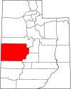

 |  |  |  |  |  |  | (17,021 km2)
Morgan County | 29 | Morgan | January 17, 1862 | Part of Davis, Great Salt Lake, Summit, and Weber counties[22] | Jedediah Morgan Grant (1816–1856), an Apostle of The Church of Jesus Christ of Latter-day Saints | 12,124 | 609 sq mi | 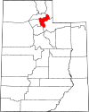

 |  |  |  |  |  |  | (1,577 km2)
Piute County | 31 | Junction | January 16, 1865 | Part of Beaver County | The Piute tribe of Native Americans who lived in the area | 1,479 | 758 sq mi | 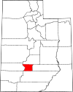

 |  |  |  |  |  |  | (1,963 km2)
Rich County | 33 | Randolph | January 16, 1864 | Part of Cache County | Charles C. Rich (1809–1883), an Apostle of The Church of Jesus Christ of Latter-day Saints | 2,483 | 1,029 sq mi | 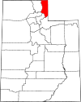

 |  |  |  |  |  |  | (2,665 km2)
Salt Lake County | 35 | Salt Lake City | January 31, 1850 | Original county of State of Deseret | The Great Salt Lake, the largest terminal lake in the Western Hemisphere | 1,160,437 | 742 sq mi | 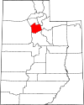

 |  |  |  |  |  |  | (1,922 km2)
San Juan County | 37 | Monticello | February 17, 1880 | Parts of Kane, Iron, and Piute counties | Named for the San Juan River, a 400-mile (640 km) tributary of the Colorado river located in southern Colorado and Utah | 15,308 | 7,820 sq mi | 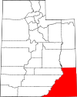

 |  |  |  |  |  |  | (20,254 km2)
Sanpete County | 39 | Manti | January 31, 1850 | Original county of State of Deseret | Uncertain, possibly from a Ute Chief named San Pitch | 30,939 | 1,590 sq mi | 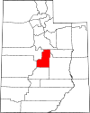

 |  |  |  |  |  |  | (4,118 km2)
Sevier County | 41 | Richfield | January 16, 1865 | Part of Sanpete County | The Sevier River, a 280-mile (450 km) river in central Utah | 21,620 | 1,911 sq mi | 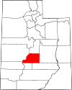

 |  |  |  |  |  |  | (4,949 km2)
Summit County | 43 | Coalville | January 13, 1854 | Part of Great Salt Lake and Green River counties[23] | High elevations in the county, which includes 39 of Utah's highest peaks | 42,145 | 1,872 sq mi | 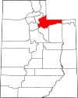

 |  |  |  |  |  |  | (4,848 km2)
Tooele County | 45 | Tooele | January 31, 1850 | Original county of State of Deseret | Uncertain, either from the Goshute Tribe Chief Tuilla or the Tules plant that grew in the marshes | 72,259 | 6,941 sq mi | 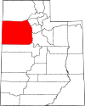

 |  |  |  |  |  |  | (17,977 km2)
Uintah County | 47 | Vernal | February 18, 1880 | Part of Sanpete, Summit, and Wasatch counties[24] | The Uintah band of the Ute tribe who lived in the area | 35,734 | 4,480 sq mi | 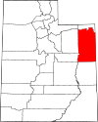

 |  |  |  |  |  |  | (11,603 km2)
Utah County | 49 | Provo | January 31, 1850 | Original county of State of Deseret | Yuta, the Spanish name for the Ute tribe | 636,235 | 2,003 sq mi | 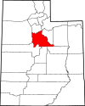

 |  |  |  |  |  |  | (5,188 km2)
Wasatch County | 51 | Heber City | January 17, 1862 | Data3=Part of Great Salt Lake, Green River, Sanpete, Summit, and Utah counties[25] | A Native American word meaning "mountain pass", also the name of the Wasatch Range | 23,530 | 1,176 sq mi | 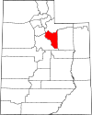

 |  |  |  |  |  |  | (3,046 km2)
Washington County | 53 | St. George | March 3, 1852 | Original county of Territory of Utah | George Washington (1732–1799), President of the United States from 1789 to 1797 | 177,556 | 2,426 sq mi | 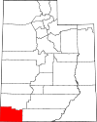

 |  |  |  |  |  |  | (6,283 km2)
Wayne County | 55 | Loa | March 10, 1892 | Part of Piute County | Wayne County, Tennessee[26] | 2,711 | 2,461 sq mi | 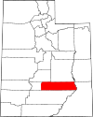

 |  |  |  |  |  |  | (6,374 km2)
Weber County | 57 | Ogden | January 31, 1850 | Original county of State of Deseret | The Weber River, a 125 miles (201 km) tributary of the Great Salt Lake | 260,213 | 576 sq mi | 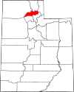

 |  |  |  |  |  |  | (1,492 km2)

